GENERAL Instructions
Identify the Type of Setup Requested by the NW Client
Does the file include this Fund Tab?

YES

NO

This is a Fund Setup. Please copy the tab from the file and paste it into the "Fund" tab here.

Does the file include this tab (with tables that have "Upper Tier" and "Lower Tier" headers)?

Does the file also include this tab (with tables that have "Upper Tier" and "Lower Tier" headers)?

YES
NO

YES
NO
This is a Property and Fund Setup.
Please copy the tab from the file and paste it into the "Upper Tier" tab here. Then, COMPLETE FUND SETUP FIRST before proceeding with the Property Setup.
Does the file include this Property tab?

This is a Property and Fund Setup.
Please copy the tab from the file and paste it into the "Upper Tier" tab here. Then, COMPLETE FUND SETUP FIRST before proceeding with the Property Setup.
This is a Fund Setup only case.
Please follow the Fund Setup instructions.

This is a Property Setup only case. You are currently in the wrong template.
Please use the NW Property Setup Template.

Fund Setup Instructions
Fund Setup:
A. Create Fund Code | Nationwide should provide requested code, if available use this code. If not, create a code that is not being used in system, try to follow naming convention of similar funds. Remember to only use lowercase letters. (If unsure, reach out to client in the case. See screenshot.) |  | 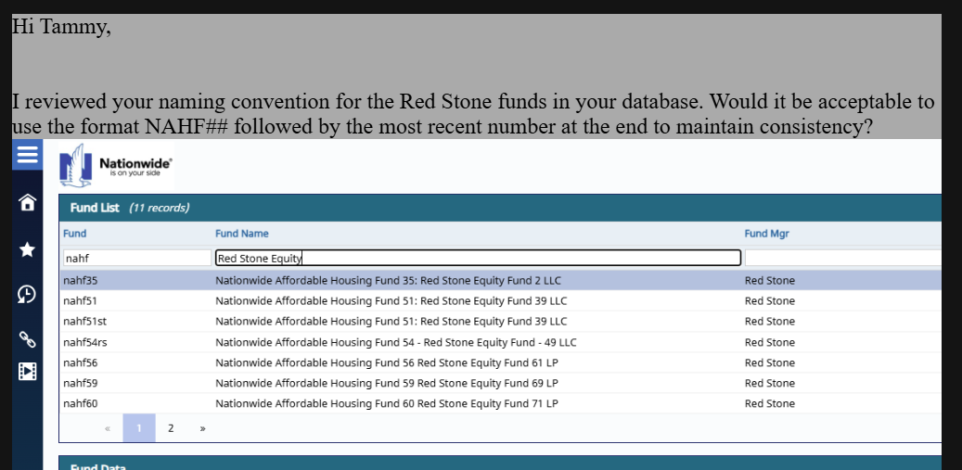
CREATE FUND CODE HERE: | sample1
D. List all missing items | • Review all tables for #N/A or NULL values (highlighted in yellow). • Document all missing items before deleting any rows or columns and proceeding with loading the tabs. • After the setup is completed, refer to Section F to input the required values.
E. Process Tabs | • Follow instructions in each tab (they will auto-populate after you followed the General Instructions) • Batch LOAD and manually enter Collection Rules • After successful load, return to this page for validation
F. Fund & Investment Verification Checklist | MRI Screen | Field | Required Value | Impact if Incorrect | Verified
 | Fund Screen | Fund Type | • If it is not provided in the file, reach out to the client to request the missing fund type. • Advise the client of any potential impact or issues that may arise if the information remains incomplete. | Incomplete Setup; Wouldn't be able to identify Billing Type, hence, no Collection Rules could be setup | FALSE
 | Fund Screen | Billing Type | • vAMFeesDescription; some types are not reflected on screen when batchloaded, need to double-check and manually enter. | Incomplete Setup | FALSE
 | Fund Screen-Third Party Relationships | Relationship/Link Type (Fund Manager) | •If it is not provided in the file, reach out to the client to request the missing Fund Manager. •Once received, proceed with adding the relationship. | Incomplete Setup | FALSE
 | Fund Screen | Withhold from Export | Check the box. Please note that once it has been checked, it should not be unchecked or modified. | Once the fund is reviewed by NW, they'll remove that hold so it could flow through their process. Updating that box again, will cause issues. It is going to send that fund through their process again. | FALSE
G. Post-verification Step (Checklist completed) | FOR FUND ONLY: • Email client setup has been completed If the client reports that the Fund is not appearing in the Entity List Report, this typically indicates that no property has been associated with the Fund and Legal Entity on the Investor screen. If this is a Fund Setup case only, please advise the client accordingly. | FOR PROPETY AND FUND: • Proceed to Property Setup and use the setup Fund here for the fields requiring Fund Codes

Investors - 8 (LOAD)
1. Copy All (Ctrl+A), (Ctrl+C), and Paste Values (Ctrl+Shift+V) 2. For vInvestor, search for the Fund Code in the Fund screen (Note: clients sometimes enter the Fund Name instead of the Fund Code). If no record is found, ask client how to proceed. DO NOT ADD FUND. 3. Format fOwnership and fPriorityReturn in decimals (eg. If in excel sheet it shows 99.99%, it should be 0.9999) 4. vCodeEntityType and vInvestorEntityType are always 'Owner' 5. Delete Gray Rows |  |  |  |  |  |  |  | << Delete row before loading
vCode | vInvestor | iyear | vsource | fOwnership | fPriorityReturn | vCodeEntityType | vInvestorEntityType
sample1 | #N/A | #N/A | Legal Entity | #N/A |  | Owner | Owner
sample1 | #N/A | #N/A | Legal Entity | #N/A |  | Owner | Owner
sample1 | #N/A | #N/A | Legal Entity | #N/A |  | Owner | Owner
sample1 | #N/A | #N/A | Legal Entity | #N/A |  | Owner | Owner
sample1 | #N/A | #N/A | Legal Entity | #N/A |  | Owner | Owner
sample1 | #N/A | #N/A | Legal Entity | #N/A |  | Owner | Owner
sample1 | #N/A | #N/A | Legal Entity | #N/A |  | Owner | Owner

Because the "Withold from Export" box is checked on the fund screen, Legal Entity investments will not show up on the Investor screen: if client asked about it, we can show the query results to verify these records are entered in the database. use nationwide select * from investor where vcode='Fund Code'

Notification_Rule - 13 (LOAD)
1. Follow instructions written on the Green Box below. Open SQL. 2. Copy All (Ctrl+A), (Ctrl+C), and Paste Values (Ctrl+Shift+V) 3. Delete Gray Rows 4. Delete Column A and B before loading. Note: Collection_Rule in sheet 12 must be loaded first |  |  |  |  |  |  |  | << Delete row before loading
iTypeID | Data Type | iCollRuleID | vType | iLag | iEmailID | bActive | vNotes
2 | Interims | #N/A | Email | 0 | 2 | BOOLTRUE | NULL
2 | Interims | #N/A | Email | 45 | 6 | BOOLTRUE | NULL
4 | Audits | #N/A | Email | 0 | 11 | BOOLTRUE | NULL
4 | Audits | #N/A | Email | 45 | 12 | BOOLTRUE | NULL
17 | K1 | #N/A | Email | 0 | 10 | BOOLTRUE | NULL
17 | K1 | #N/A | Email | 45 | 13 | BOOLTRUE | NULL
36 | AHIC - Quarter | #N/A | Email | 0 | 5 | BOOLTRUE | NULL
36 | AHIC - Quarter | #N/A | Email | 45 | 9 | BOOLTRUE | NULL
38 | Benefit Schedule | #N/A | Email | 0 | 3 | BOOLTRUE | NULL
38 | Benefit Schedule | #N/A | Email | 45 | 7 | BOOLTRUE | NULL
53 | GAAP Losses/Credits | #N/A | Email | 0 | 4 | BOOLTRUE | NULL
53 | GAAP Losses/Credits | #N/A | Email | 45 | 8 | BOOLTRUE | NULL

1. Copy the SQL below, update vCode, and run:
select * from Collection_Rule
where vCode = 'your vCode'
2. Copy the UID and iType_ID column and Paste Values (123) into Data Validation Tab,
Cells H3:I10

